Integrated AI-MCDM Model
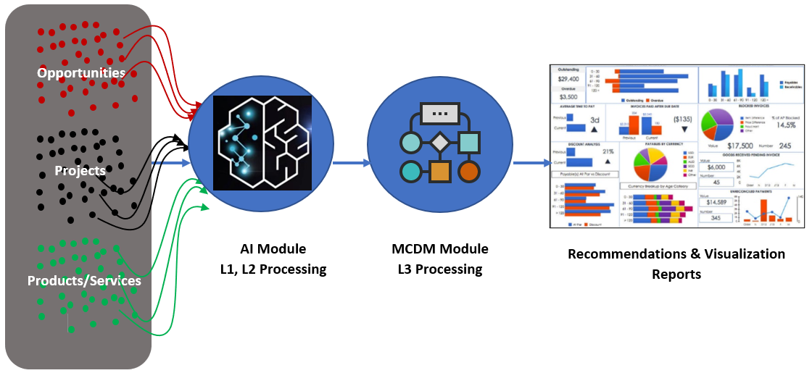


FUNNEL AND FILTER LIFECYCLE

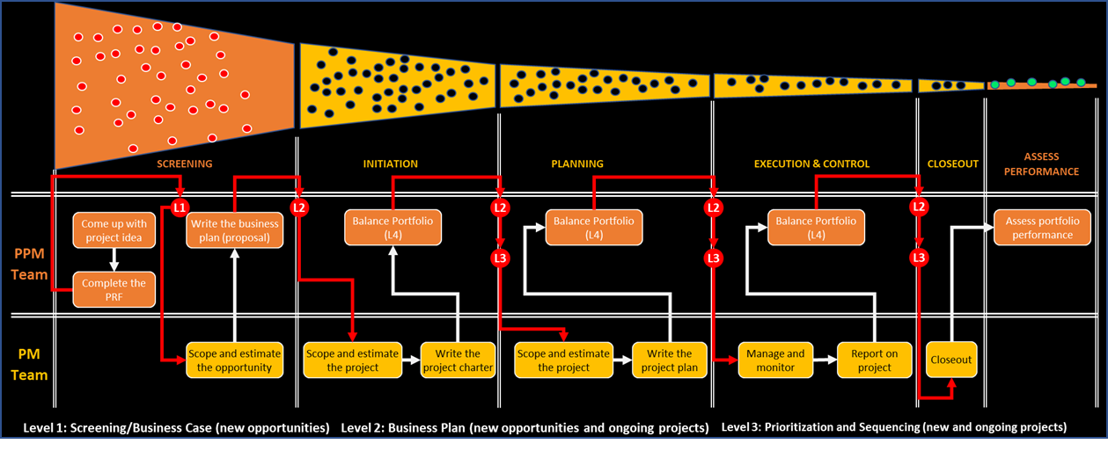

AI-MCDM ENGINE

